1
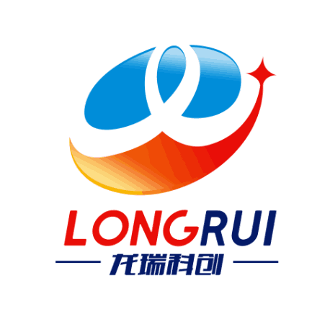
Proforma Invoice
CANGZHOU LONGRUI PIPELINE EQUIPMENT CO.,LTD
ADDRESS : Yanshan County,Hebei Province,China
Phone :+8618003170889
No. | Description | Unit | Qty | Unit weight | Total | Unit price | Total
1 | Flange 50-16-11-1-Е Cr5Mo ГОСТ 33259-2015 (drawing ЭР.N.2020.263.01) | PCS | 12 | 2.28 | 27.36 | ¥85.00 | ¥1,020.00
2 | Flange 50-16-11-1-F Cr5Mo ГОСТ 33259-2015 (drawing ЭР.N.2020.263.02) | PCS | 20 | 2.28 | 45.60 | ¥85.00 | ¥1,700.00
3 | Flange 100-40-11-1-F Cr5Mo ГОСТ 33259-2015 (drawing ЭР.N.2020.263.03) | PCS | 8 | 7.40 | 59.20 | ¥195.00 | ¥1,560.00
4 |  |  | 40 |  | 132.16 |  | ¥4,280.00

Price terms :EXW(RMB)
Payment: T/T,30% deposit and 70% balance before shipment .
Lead Time: 7-10 days , Normally according to the clients' quantity.
Packing : wooden case(pallet) , or as required.
Date:2020-8-18

